Solution
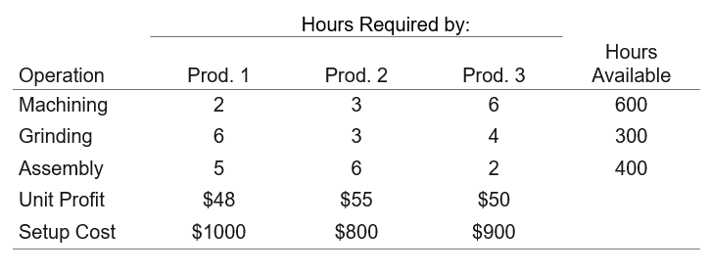
 |  |  |  |  |  |  | WH | DC | WH Lat | WH Long | DC Lat | DC Long | Manhattan
 |  |  |  |  |  |  | 1 | 1 | 26.1 | -95.02 | 30.99 | -124.67 | 34.54
 | Product 1 | Product 2 | Product 3 |  |  |  | 1 | 2 | 26.1 | -95.02 | 47.23 | -108.24 | 34.35
# to Produce | 0 | 56 | 32 |  |  |  | 1 | 3 | 26.1 | -95.02 | 30.01 | -88.51 | 10.42
 |  |  |  |  | Total Profit |  | 1 | 4 | 26.1 | -95.02 | 30.44 | -110.58 | 19.9
Unit Profit | $48 | $55 | $50 |  | $2,980 |  | 1 | 5 | 26.1 | -95.02 | 36.85 | -118.59 | 34.32
Setup Cost | $1,000 | $800 | $900 |  |  |  | 1 | 6 | 26.1 | -95.02 | 29.52 | -103.96 | 12.36
 |  |  |  |  |  |  | 2 | 1 | 31.28 | -86.77 | 30.99 | -124.67 | 38.19
Resources | Hours Req'd |  |  | Used | Available |  | 2 | 2 | 31.28 | -86.77 | 47.23 | -108.24 | 37.42
Machining | 2 | 3 | 6 | 360 | 600 |  | 2 | 3 | 31.28 | -86.77 | 30.01 | -88.51 | 3.01
Grinding | 6 | 3 | 4 | 296 | 300 |  | 2 | 4 | 31.28 | -86.77 | 30.44 | -110.58 | 24.65
Assembly | 5 | 6 | 2 | 400 | 400 |  | 2 | 5 | 31.28 | -86.77 | 36.85 | -118.59 | 37.39
 |  |  |  |  |  |  | 2 | 6 | 31.28 | -86.77 | 29.52 | -103.96 | 18.95
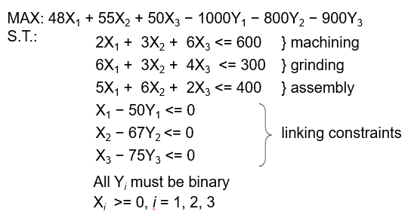
Binary Variables | 0 | 1 | 1 |  |  |  | 3 | 1 | 25.59 | -79.19 | 30.99 | -124.67 | 50.88
Linking Constraints | 0 | -11 | -43 |  |  |  | 3 | 2 | 25.59 | -79.19 | 47.23 | -108.24 | 50.69
 |  |  |  |  |  |  | 3 | 3 | 25.59 | -79.19 | 30.01 | -88.51 | 13.74
Max If 1 Product | 50 | 67 | 75 |  |  |  | 3 | 4 | 25.59 | -79.19 | 30.44 | -110.58 | 36.24
Machining | 300 | 200 | 100 |  |  |  | 3 | 5 | 25.59 | -79.19 | 36.85 | -118.59 | 50.66
Grinding | 50 | 100 | 75 |  |  |  | 3 | 6 | 25.59 | -79.19 | 29.52 | -103.96 | 28.7
Assembly | 80 | 67 | 200 |  |  |  | 4 | 1 | 43.59 | -114.65 | 30.99 | -124.67 | 22.62
 |  |  |  |  |  |  | 4 | 2 | 43.59 | -114.65 | 47.23 | -108.24 | 10.05
 |  |  |  |  |  |  | 4 | 3 | 43.59 | -114.65 | 30.01 | -88.51 | 39.72
 |  |  |  |  |  |  | 4 | 4 | 43.59 | -114.65 | 30.44 | -110.58 | 17.22
 |  |  |  |  |  |  | 4 | 5 | 43.59 | -114.65 | 36.85 | -118.59 | 10.68
 |  |  |  |  |  |  | 4 | 6 | 43.59 | -114.65 | 29.52 | -103.96 | 24.76

 |  |  |  |  |  |  | WH>DC | 1 | 2 | 3 | 4 | 5 | 6 |  |  |  |  |  |  |  |  |  | distribution_center | name | demand | latitude | longitude
 |  |  |  |  |  |  | 1 | 34.54 | 34.35 | 10.42 | 19.9 | 34.32 | 12.36 |  |  |  |  |  |  |  |  |  | 1 | Toffee Town | 980 | 30.99 | -124.67
 |  |  |  |  |  |  | 2 | 38.19 | 37.42 | 3.01 | 24.65 | 37.39 | 18.95 |  |  |  |  |  |  |  |  |  | 2 | Waffle Cone Wonderland | 844 | 47.23 | -108.24
 |  |  |  |  |  |  | 3 | 50.88 | 50.69 | 13.74 | 36.24 | 50.66 | 28.7 |  |  |  |  |  |  |  |  |  | 3 | Turkish Delight Tundra | 648 | 30.01 | -88.51
 |  |  |  |  |  |  | 4 | 22.62 | 10.05 | 39.72 | 17.22 | 10.68 | 24.76 |  |  |  |  |  |  |  |  |  | 4 | Sugar Swirl Spires | 993 | 30.44 | -110.58
 |  |  |  |  |  |  |  |  |  |  |  |  |  |  |  |  |  |  |  |  |  |  | 5 | Molasses Marsh | 937 | 36.85 | -118.59
 |  |  |  |  |  |  | WH>DC | 1 | 2 | 3 | 4 | 5 | 6 |  |  |  |  |  |  |  |  |  | 6 | Sour Patch Prairie | 857 | 29.52 | -103.96
 |  |  |  |  |  |  | 1 | 0 | 0 | 648 | 0 | 0 | 857 | 1505
 |  |  |  |  |  |  | 2 | 0 | 0 | 0 | 0 | 0 | 0 | 0
 |  |  |  |  |  |  | 3 | 0 | 0 | 0 | 0 | 0 | 0 | 0 |  |  |  |  |  |  |  |  | warehouse | name | set_up_cost | latitude | longitude
 |  |  |  |  |  |  | 4 | 980 | 844 | 0 | 993 | 937 | 0 | 3754 |  |  |  |  |  |  |  |  | 1 | Fruity Gusher Geyser | 1526 | 26.1 | -95.02
 |  |  |  |  |  |  |  | 980 | 844 | 648 | 993 | 937 | 857 | 5259 |  |  |  |  |  |  |  |  | 2 | Jellybean Jungle | 2189 | 31.28 | -86.77
 |  |  |  |  |  |  | Total DC Demand | 980 | 844 | 648 | 993 | 937 | 857 | 5259 |  |  |  |  |  |  |  |  | 3 | Chewy Cherry Chews Channel | 1846 | 25.59 | -79.19
 |  |  |  |  |  |  |  |  |  |  |  |  |  |  |  |  |  |  |  |  |  |  | 4 | Lemon Drop Lagoon | 1035 | 43.59 | -114.65
 |  |  |  |  |  |  |  | WH Sum Set |  | Binary | Linking | Set up Costs |  |  | WH1 | 29 | 25 | 63 | 50 | 28 | 70 | 25
 |  |  |  |  |  |  | 1 | 1505 |  | 1 | -3754 | 1526 | 1526 |  | WH2 | 26 | 23 | 216 | 41 | 26 | 46 | 23
 |  |  |  |  |  |  | 2 | 0 |  | 0 | 0 | 2189 | 0 |  | WH3 | 20 | 17 | 48 | 28 | 19 | 30 | 17
 |  |  |  |  |  |  | 3 | 0 |  | 0 | 0 | 1846 | 0 |  | WH4 | 44 | 84 | 17 | 58 | 88 | 35 | 17
 |  |  |  |  |  |  | 4 | 3754 |  | 1 | -1505 | 1035 | 1035

 |  |  |  |  |  | Sum of Demand | 5259
 |  |  |  |  |  | Transportation | 75101.1
 |  |  |  |  |  | Setup Cost | 2561
 |  |  |  |  |  |  |  |  |  | 2
 |  |  |  |  |  | Objective function | 77662.1 |  |  |  |  |  | 34.54*X11 | 34.35*X12 | 10.42*X13 | 19.9*X14 | 34.32*X15 | 12.36*X16
 |  |  |  |  |  |  |  |  |  |  |  |  | 38.19*X21 | 37.42*X22 | 3.01000000000001*X23 | 24.65*X24 | 37.39*X25 | 18.95*X26
 |  |  |  |  |  |  |  |  |  |  |  |  | 50.88*X31 | 50.69*X32 | 13.74*X33 | 36.24*X34 | 50.66*X35 | 28.7*X36
 |  |  |  |  |  |  |  |  |  |  |  |  | 22.62*X41 | 10.05*X42 | 39.72*X43 | 17.22*X44 | 10.68*X45 | 24.76*X46

 |  |  |  |  |  |  |  |  |  |  |  |  | 34.54*X11+34.35*X12+10.42*X13+19.9*X14+34.32*X15+12.36*X16
 |  |  |  |  |  |  |  |  |  |  |  |  | 38.19*X21+37.42*X22+3.01000000000001*X23+24.65*X24+37.39*X25+18.95*X26
 |  |  |  |  |  |  |  |  |  |  |  |  | 50.88*X31+50.69*X32+13.74*X33+36.24*X34+50.66*X35+28.7*X36
 |  |  |  |  |  |  |  |  |  |  |  |  | 22.62*X41+10.05*X42+39.72*X43+17.22*X44+10.68*X45+24.76*X46

 |  |  |  |  |  |  |  |  |  |  |  |  | 34.54*X11+34.35*X12+10.42*X13+19.9*X14+34.32*X15+12.36*X16
 |  |  |  |  |  |  |  |  |  |  |  |  | 38.19*X21+37.42*X22+3.01000000000001*X23+24.65*X24+37.39*X25+18.95*X26
 |  |  |  |  |  |  |  |  |  |  |  |  | 50.88*X31+50.69*X32+13.74*X33+36.24*X34+50.66*X35+28.7*X36
 |  |  |  |  |  |  |  |  |  |  |  |  | 22.62*X41+10.05*X42+39.72*X43+17.22*X44+10.68*X45+24.76*X46

